Environment
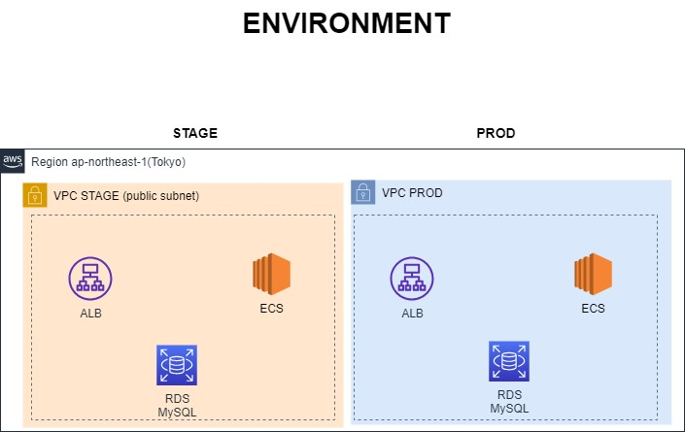

Infra-Stage
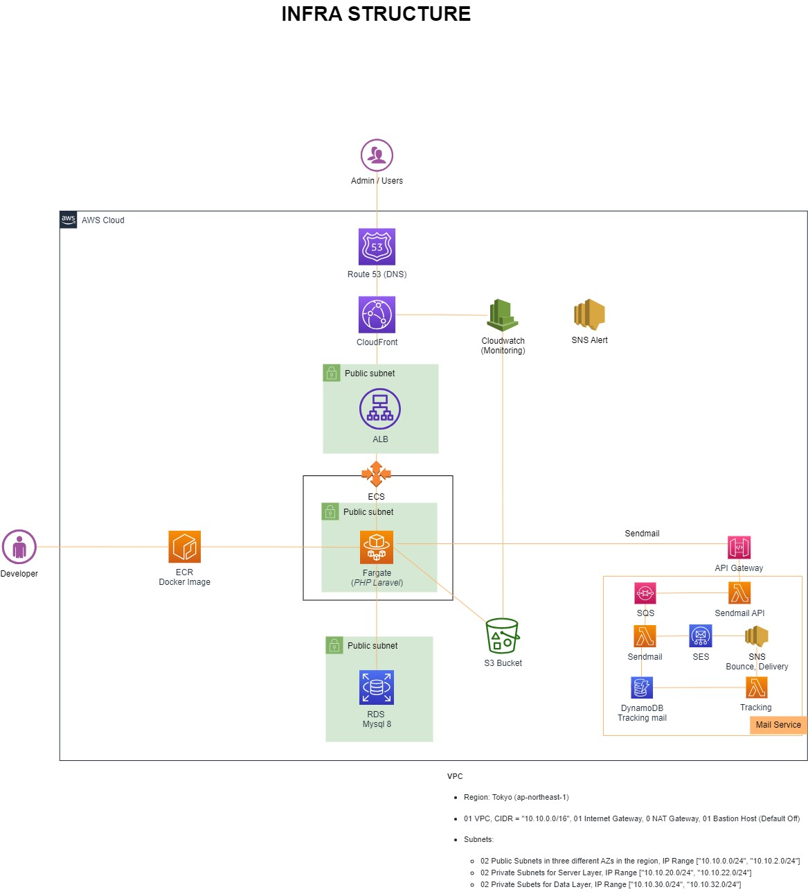
 | INFRASTRUCTURE | 1. Development
 |  | ■（仮）開発環境 ・Docker image ・プログラミング言語： ・Frontend: + TypeScript, Vue3, ElementUI, Vite ・Backend: + Laravel 10 + php, php-fpm 8.1 ・Webサーバー：Nginx 1.18 ・RDS: MySql8
 |  | 2. Security
 |  | Main service put in VPC Private subnet, only bastion host can connect.
 |  | Bastion host using security group only allow specific IP and using hashkey to connect.
 |  | Using WAF to security: OWASP rule, Allow Vietnam, Japan cann access

 |  | 3. Failover
 |  | RDS Mysql setting single AZ

 |  | 4. Monitoring
 |  | Using cloudwatch, cloudwatch log, aws SNS notification

 |  | 5. Performance
 |  | Using ECS

 |  | 6. Mail service
 |  | Using API gateway, SQS, Lambda, SES for sendmail
 |  | Monitor mail delivery, bounce, complaint using DynamoDB, SNS

VPC
Region: Tokyo (ap-northeast-1)
01 VPC, CIDR = "10.10.0.0/16", 01 Internet Gateway, 0 NAT Gateway, 01 Bastion Host
Subnets:
02 Public Subnets in three different AZs in the region, IP Range ["10.10.0.0/24", "10.10.2.0/24"]
Config:
Setting VPC endpoint S3
Security group public subnet inbound open port 22 only allow specific IP, outbound allow all
Security group private subnet Inbound: 80, 3306, 22 allow CIDR

Infra-Prod
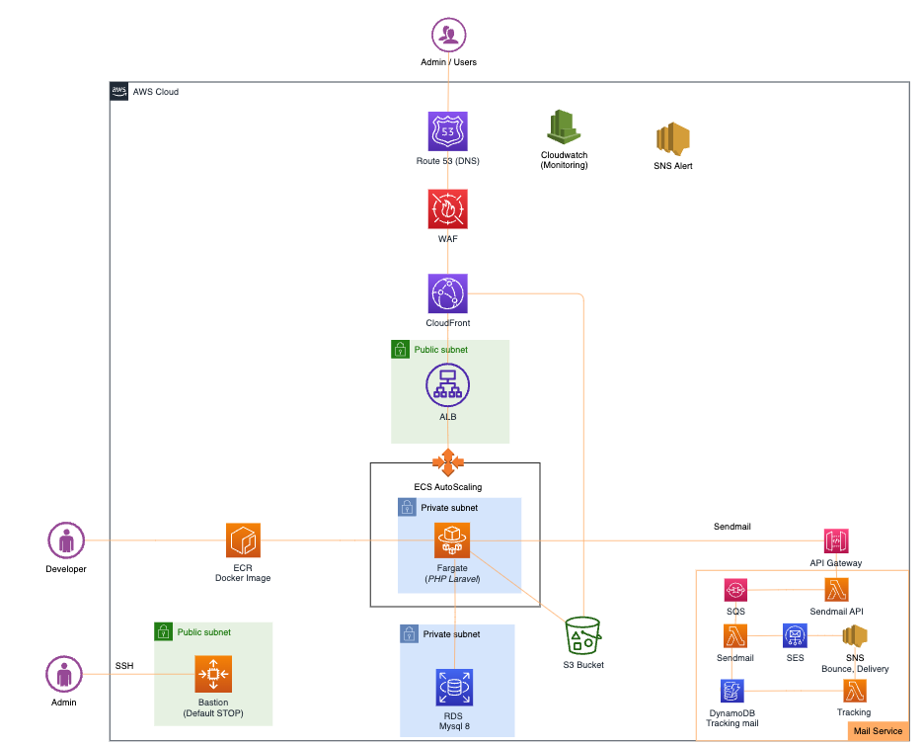
 | INFRASTRUCTURE | 1. Development
 |  | ■（仮）開発環境 ・Docker image ・プログラミング言語： ・Frontend: + TypeScript, Vue3, ElementUI, Vite ・Backend: + Laravel 10 + php, php-fpm 8.1 ・Webサーバー：Nginx 1.18 ・RDS: MySql8
 |  | 2. Security
 |  | Main service put in VPC Private subnet, only bastion host can connect.
 |  | Bastion host using security group only allow specific IP and using hashkey to connect.
 |  | Using WAF to security: OWASP rule, Allow Vietnam, Japan cann access

 |  | 3. Failover
 |  | RDS Mysql setting single AZ, backup every 2 hours and keep backup file 7 days
 |  | S3 backup every day, keep backup 7 days

 |  | 4. Monitoring
 |  | Using cloudwatch, cloudwatch log, aws SNS notification

 |  | 5. Performance
 |  | Using ALB load balancer, ECS

 |  | 6. Mail service
 |  | Using API gateway, SQS, Lambda, SES for sendmail
 |  | Monitor mail delivery, bounce, complaint using DynamoDB, SNS

VPC
Region: Tokyo (ap-northeast-1)
01 VPC, CIDR = "10.10.0.0/16", 01 Internet Gateway, 0 NAT Gateway, 01 Bastion Host
Subnets:
02 Public Subnets in three different AZs in the region, IP Range ["10.10.0.0/24", "10.10.2.0/24"]
02 Private Subnets for Server Layer, IP Range ["10.10.20.0/24", "10.10.22.0/24"]
02 Private Subets for Data Layer, IP Range ["10.10.30.0/24", "10.10.32.0/24"]
Config:
Setting VPC endpoint S3
Security group public subnet inbound open port 22 only allow specific IP, outbound allow all
Security group private subnet Inbound: 80, 3306, 22 allow CIDR

